boston 2
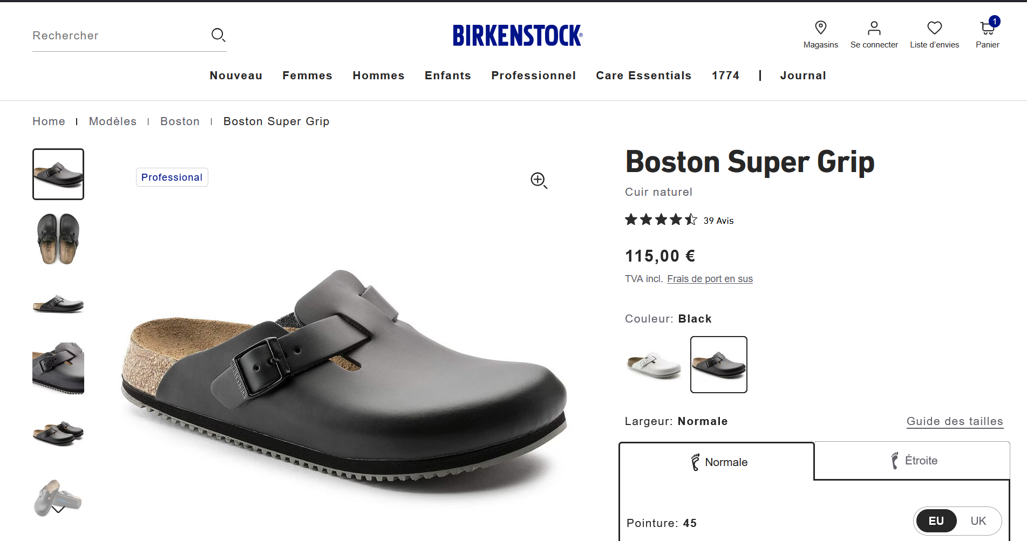
Birkenstock Boston for June 2026

style # | Descript | Color - Width | DELIVERY (OVERSEAS) | Price € | 35 | 36 | 37 | 38 | 39 | 40 | 41 | 42 | 43 | 44 | 45 | 46 | 47 | 48 | TOTAL
60194 | Boston super grip | blk | REGULAR | 85.00 |  | 36 | 300 | 900 | 900 | 1600 | 2000 | 2800 | 2800 | 200 | 1400 | 400 | 80 | 40 | 13336

60196 | Boston super grip | blk | NARROW | 85.00 | 24 | 132 | 408 | 1140 | 1200 | 1200 | 1200 | 2600 | 2600 | 1400 | 800 | 160 | 40 | 24 | 12840
SUB-TOTAL |  |  |  |  | 24 | 168 | 708 | 2040 | 2100 | 2800 | 3200 | 5400 | 5400 | 1600 | 2200 | 560 | 120 | 64 | 26176

